Dummydata
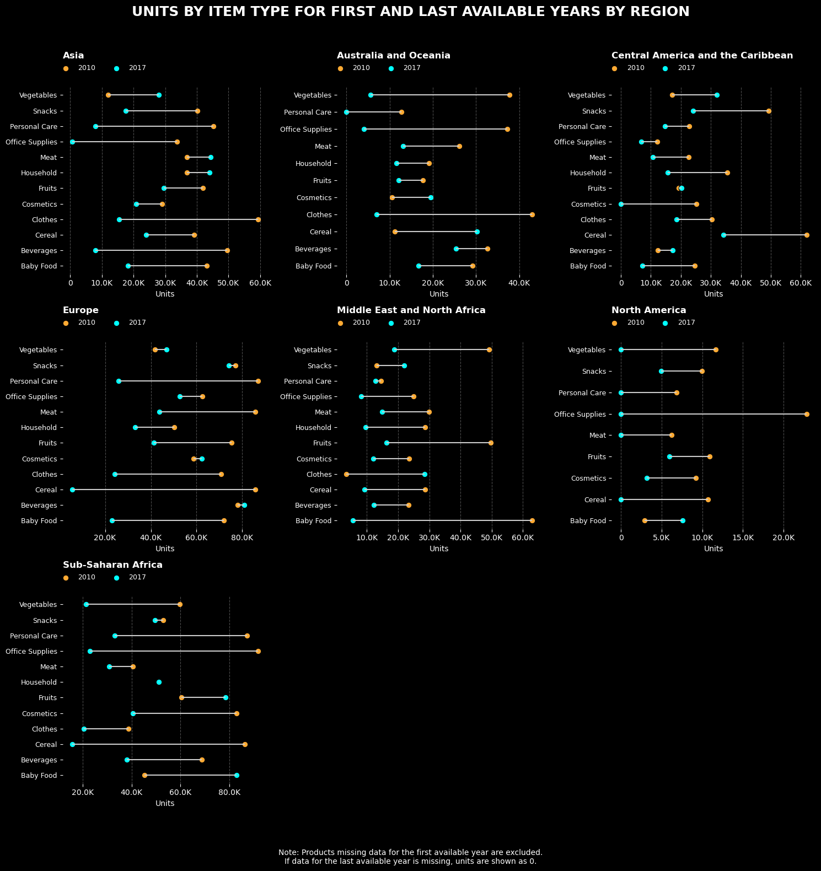
Region | Item Type | Year | Units
Asia | Baby Food | 2010 | 43174
Asia | Baby Food | 2011 | 36400
Asia | Baby Food | 2012 | 45442
Asia | Baby Food | 2013 | 45696
Asia | Baby Food | 2014 | 24391
Asia | Baby Food | 2015 | 43763
Asia | Baby Food | 2016 | 80082
Asia | Baby Food | 2017 | 18282
Asia | Beverages | 2010 | 49551
Asia | Beverages | 2011 | 21468
Asia | Beverages | 2012 | 42280
Asia | Beverages | 2013 | 22209
Asia | Beverages | 2014 | 83318
Asia | Beverages | 2015 | 57825
Asia | Beverages | 2016 | 52171
Asia | Beverages | 2017 | 8000
Asia | Cereal | 2010 | 39199
Asia | Cereal | 2011 | 50875
Asia | Cereal | 2012 | 52144
Asia | Cereal | 2013 | 41432
Asia | Cereal | 2014 | 25757
Asia | Cereal | 2015 | 32198
Asia | Cereal | 2016 | 36426
Asia | Cereal | 2017 | 24035
Asia | Clothes | 2010 | 59298
Asia | Clothes | 2011 | 44305
Asia | Clothes | 2012 | 36101
Asia | Clothes | 2013 | 28360
Asia | Clothes | 2014 | 65956
Asia | Clothes | 2015 | 27117
Asia | Clothes | 2016 | 23858
Asia | Clothes | 2017 | 15496
Asia | Cosmetics | 2010 | 28985
Asia | Cosmetics | 2011 | 25801
Asia | Cosmetics | 2012 | 44332
Asia | Cosmetics | 2013 | 56235
Asia | Cosmetics | 2014 | 35800
Asia | Cosmetics | 2015 | 43432
Asia | Cosmetics | 2016 | 32998
Asia | Cosmetics | 2017 | 20826
Asia | Fruits | 2010 | 41890
Asia | Fruits | 2011 | 51828
Asia | Fruits | 2012 | 68495
Asia | Fruits | 2013 | 23485
Asia | Fruits | 2014 | 56046
Asia | Fruits | 2015 | 74645
Asia | Fruits | 2016 | 41808
Asia | Fruits | 2017 | 29533
Asia | Household | 2010 | 36844
Asia | Household | 2011 | 26048
Asia | Household | 2012 | 36523
Asia | Household | 2013 | 109585
Asia | Household | 2014 | 25254
Asia | Household | 2015 | 37166
Asia | Household | 2016 | 36734
Asia | Household | 2017 | 44100
Asia | Meat | 2010 | 36949
Asia | Meat | 2011 | 13791
Asia | Meat | 2012 | 11240
Asia | Meat | 2013 | 22076
Asia | Meat | 2014 | 26850
Asia | Meat | 2015 | 50726
Asia | Meat | 2016 | 34189
Asia | Meat | 2017 | 44426
Asia | Office Supplies | 2010 | 33832
Asia | Office Supplies | 2011 | 23709
Asia | Office Supplies | 2012 | 29421
Asia | Office Supplies | 2013 | 17426
Asia | Office Supplies | 2014 | 25898
Asia | Office Supplies | 2015 | 67275
Asia | Office Supplies | 2016 | 30153
Asia | Office Supplies | 2017 | 566
Asia | Personal Care | 2010 | 45237
Asia | Personal Care | 2011 | 42147
Asia | Personal Care | 2012 | 83986
Asia | Personal Care | 2013 | 34656
Asia | Personal Care | 2014 | 50097
Asia | Personal Care | 2015 | 17706
Asia | Personal Care | 2016 | 21185
Asia | Personal Care | 2017 | 7941
Asia | Snacks | 2010 | 40258
Asia | Snacks | 2011 | 30956
Asia | Snacks | 2012 | 45356
Asia | Snacks | 2013 | 32499
Asia | Snacks | 2014 | 36577
Asia | Snacks | 2015 | 29076
Asia | Snacks | 2016 | 33121
Asia | Snacks | 2017 | 17495
Asia | Vegetables | 2010 | 11912
Asia | Vegetables | 2011 | 16837
Asia | Vegetables | 2012 | 19924
Asia | Vegetables | 2013 | 40741
Asia | Vegetables | 2014 | 35203
Asia | Vegetables | 2015 | 39958
Asia | Vegetables | 2016 | 85702
Asia | Vegetables | 2017 | 27937
Australia and Oceania | Baby Food | 2010 | 29235
Australia and Oceania | Baby Food | 2011 | 8373
Australia and Oceania | Baby Food | 2012 | 62217
Australia and Oceania | Baby Food | 2013 | 29949
Australia and Oceania | Baby Food | 2014 | 22983
Australia and Oceania | Baby Food | 2015 | 18981
Australia and Oceania | Baby Food | 2016 | 29760
Australia and Oceania | Baby Food | 2017 | 16676
Australia and Oceania | Beverages | 2010 | 32560
Australia and Oceania | Beverages | 2011 | 30262
Australia and Oceania | Beverages | 2012 | 33286
Australia and Oceania | Beverages | 2013 | 11492
Australia and Oceania | Beverages | 2014 | 25399
Australia and Oceania | Beverages | 2015 | 20034
Australia and Oceania | Beverages | 2016 | 33657
Australia and Oceania | Beverages | 2017 | 25313
Australia and Oceania | Cereal | 2010 | 11199
Australia and Oceania | Cereal | 2011 | 32443
Australia and Oceania | Cereal | 2012 | 38372
Australia and Oceania | Cereal | 2013 | 19842
Australia and Oceania | Cereal | 2014 | 15710
Australia and Oceania | Cereal | 2015 | 16120
Australia and Oceania | Cereal | 2016 | 23512
Australia and Oceania | Cereal | 2017 | 30196
Australia and Oceania | Clothes | 2010 | 43005
Australia and Oceania | Clothes | 2011 | 25856
Australia and Oceania | Clothes | 2012 | 29986
Australia and Oceania | Clothes | 2013 | 15550
Australia and Oceania | Clothes | 2014 | 18424
Australia and Oceania | Clothes | 2015 | 12939
Australia and Oceania | Clothes | 2017 | 6936
Australia and Oceania | Cosmetics | 2010 | 10519
Australia and Oceania | Cosmetics | 2011 | 21453
Australia and Oceania | Cosmetics | 2012 | 56854
Australia and Oceania | Cosmetics | 2013 | 14420
Australia and Oceania | Cosmetics | 2014 | 43191
Australia and Oceania | Cosmetics | 2015 | 25698
Australia and Oceania | Cosmetics | 2016 | 32444
Australia and Oceania | Cosmetics | 2017 | 19449
Australia and Oceania | Fruits | 2010 | 17745
Australia and Oceania | Fruits | 2011 | 40162
Australia and Oceania | Fruits | 2012 | 16172
Australia and Oceania | Fruits | 2013 | 4430
Australia and Oceania | Fruits | 2014 | 7116
Australia and Oceania | Fruits | 2015 | 24434
Australia and Oceania | Fruits | 2016 | 16379
Australia and Oceania | Fruits | 2017 | 12022
Australia and Oceania | Household | 2010 | 19106
Australia and Oceania | Household | 2011 | 14249
Australia and Oceania | Household | 2012 | 8115
Australia and Oceania | Household | 2013 | 34473
Australia and Oceania | Household | 2014 | 10464
Australia and Oceania | Household | 2015 | 28090
Australia and Oceania | Household | 2016 | 28965
Australia and Oceania | Household | 2017 | 11561
Australia and Oceania | Meat | 2010 | 26105
Australia and Oceania | Meat | 2011 | 33161
Australia and Oceania | Meat | 2012 | 10334
Australia and Oceania | Meat | 2013 | 28785
Australia and Oceania | Meat | 2014 | 10301
Australia and Oceania | Meat | 2015 | 21169
Australia and Oceania | Meat | 2016 | 11376
Australia and Oceania | Meat | 2017 | 13143
Australia and Oceania | Office Supplies | 2010 | 37252
Australia and Oceania | Office Supplies | 2011 | 7308
Australia and Oceania | Office Supplies | 2012 | 35851
Australia and Oceania | Office Supplies | 2013 | 29436
Australia and Oceania | Office Supplies | 2014 | 29631
Australia and Oceania | Office Supplies | 2015 | 43574
Australia and Oceania | Office Supplies | 2016 | 26022
Australia and Oceania | Office Supplies | 2017 | 4014
Australia and Oceania | Personal Care | 2010 | 12666
Australia and Oceania | Personal Care | 2011 | 8028
Australia and Oceania | Personal Care | 2012 | 13762
Australia and Oceania | Personal Care | 2013 | 26939
Australia and Oceania | Personal Care | 2014 | 24023
Australia and Oceania | Personal Care | 2015 | 27723
Australia and Oceania | Personal Care | 2016 | 31728
Australia and Oceania | Snacks | 2011 | 39313
Australia and Oceania | Snacks | 2012 | 13967
Australia and Oceania | Snacks | 2013 | 27757
Australia and Oceania | Snacks | 2014 | 27108
Australia and Oceania | Snacks | 2015 | 30877
Australia and Oceania | Snacks | 2016 | 2335
Australia and Oceania | Snacks | 2017 | 235
Australia and Oceania | Vegetables | 2010 | 37751
Australia and Oceania | Vegetables | 2011 | 23224
Australia and Oceania | Vegetables | 2012 | 45427
Australia and Oceania | Vegetables | 2013 | 14893
Australia and Oceania | Vegetables | 2014 | 3007
Australia and Oceania | Vegetables | 2015 | 21151
Australia and Oceania | Vegetables | 2016 | 19008
Australia and Oceania | Vegetables | 2017 | 5624
Central America and the Caribbean | Baby Food | 2010 | 24545
Central America and the Caribbean | Baby Food | 2011 | 58939
Central America and the Caribbean | Baby Food | 2012 | 23908
Central America and the Caribbean | Baby Food | 2013 | 40304
Central America and the Caribbean | Baby Food | 2014 | 26811
Central America and the Caribbean | Baby Food | 2015 | 30403
Central America and the Caribbean | Baby Food | 2016 | 26733
Central America and the Caribbean | Baby Food | 2017 | 7119
Central America and the Caribbean | Beverages | 2010 | 12356
Central America and the Caribbean | Beverages | 2011 | 45368
Central America and the Caribbean | Beverages | 2012 | 26057
Central America and the Caribbean | Beverages | 2013 | 58756
Central America and the Caribbean | Beverages | 2014 | 4080
Central America and the Caribbean | Beverages | 2015 | 47464
Central America and the Caribbean | Beverages | 2016 | 7607
Central America and the Caribbean | Beverages | 2017 | 17201
Central America and the Caribbean | Cereal | 2010 | 61990
Central America and the Caribbean | Cereal | 2011 | 50439
Central America and the Caribbean | Cereal | 2012 | 3442
Central America and the Caribbean | Cereal | 2013 | 16241
Central America and the Caribbean | Cereal | 2014 | 20101
Central America and the Caribbean | Cereal | 2015 | 22515
Central America and the Caribbean | Cereal | 2016 | 35423
Central America and the Caribbean | Cereal | 2017 | 34130
Central America and the Caribbean | Clothes | 2010 | 30409
Central America and the Caribbean | Clothes | 2011 | 39679
Central America and the Caribbean | Clothes | 2012 | 20440
Central America and the Caribbean | Clothes | 2013 | 13633
Central America and the Caribbean | Clothes | 2014 | 25679
Central America and the Caribbean | Clothes | 2015 | 19329
Central America and the Caribbean | Clothes | 2016 | 37626
Central America and the Caribbean | Clothes | 2017 | 18559
Central America and the Caribbean | Cosmetics | 2010 | 25091
Central America and the Caribbean | Cosmetics | 2011 | 30861
Central America and the Caribbean | Cosmetics | 2012 | 23241
Central America and the Caribbean | Cosmetics | 2013 | 40583
Central America and the Caribbean | Cosmetics | 2014 | 17732
Central America and the Caribbean | Cosmetics | 2015 | 35649
Central America and the Caribbean | Cosmetics | 2016 | 23587
Central America and the Caribbean | Fruits | 2010 | 19245
Central America and the Caribbean | Fruits | 2011 | 17075
Central America and the Caribbean | Fruits | 2012 | 43930
Central America and the Caribbean | Fruits | 2013 | 18349
Central America and the Caribbean | Fruits | 2014 | 29651
Central America and the Caribbean | Fruits | 2015 | 43427
Central America and the Caribbean | Fruits | 2016 | 49923
Central America and the Caribbean | Fruits | 2017 | 20247
Central America and the Caribbean | Household | 2010 | 35474
Central America and the Caribbean | Household | 2011 | 8776
Central America and the Caribbean | Household | 2012 | 17026
Central America and the Caribbean | Household | 2013 | 43812
Central America and the Caribbean | Household | 2014 | 48518
Central America and the Caribbean | Household | 2015 | 28260
Central America and the Caribbean | Household | 2016 | 16681
Central America and the Caribbean | Household | 2017 | 15553
Central America and the Caribbean | Meat | 2010 | 22603
Central America and the Caribbean | Meat | 2011 | 24310
Central America and the Caribbean | Meat | 2012 | 25355
Central America and the Caribbean | Meat | 2013 | 37555
Central America and the Caribbean | Meat | 2014 | 35469
Central America and the Caribbean | Meat | 2015 | 48348
Central America and the Caribbean | Meat | 2016 | 38132
Central America and the Caribbean | Meat | 2017 | 10595
Central America and the Caribbean | Office Supplies | 2010 | 12126
Central America and the Caribbean | Office Supplies | 2011 | 19706
Central America and the Caribbean | Office Supplies | 2012 | 18264
Central America and the Caribbean | Office Supplies | 2013 | 39054
Central America and the Caribbean | Office Supplies | 2014 | 19644
Central America and the Caribbean | Office Supplies | 2015 | 24869
Central America and the Caribbean | Office Supplies | 2016 | 29651
Central America and the Caribbean | Office Supplies | 2017 | 6866
Central America and the Caribbean | Personal Care | 2010 | 22821
Central America and the Caribbean | Personal Care | 2011 | 51969
Central America and the Caribbean | Personal Care | 2012 | 20296
Central America and the Caribbean | Personal Care | 2013 | 42244
Central America and the Caribbean | Personal Care | 2014 | 10477
Central America and the Caribbean | Personal Care | 2015 | 36638
Central America and the Caribbean | Personal Care | 2016 | 8148
Central America and the Caribbean | Personal Care | 2017 | 14655
Central America and the Caribbean | Snacks | 2010 | 49272
Central America and the Caribbean | Snacks | 2011 | 17071
Central America and the Caribbean | Snacks | 2012 | 32226
Central America and the Caribbean | Snacks | 2013 | 38598
Central America and the Caribbean | Snacks | 2014 | 44223
Central America and the Caribbean | Snacks | 2015 | 31247
Central America and the Caribbean | Snacks | 2016 | 14271
Central America and the Caribbean | Snacks | 2017 | 24168
Central America and the Caribbean | Vegetables | 2010 | 17171
Central America and the Caribbean | Vegetables | 2011 | 62453
Central America and the Caribbean | Vegetables | 2012 | 24558
Central America and the Caribbean | Vegetables | 2013 | 30328
Central America and the Caribbean | Vegetables | 2014 | 19667
Central America and the Caribbean | Vegetables | 2015 | 43495
Central America and the Caribbean | Vegetables | 2016 | 38283
Central America and the Caribbean | Vegetables | 2017 | 31973
Europe | Baby Food | 2010 | 71887
Europe | Baby Food | 2011 | 56883
Europe | Baby Food | 2012 | 110708
Europe | Baby Food | 2013 | 71901
Europe | Baby Food | 2014 | 101865
Europe | Baby Food | 2015 | 78193
Europe | Baby Food | 2016 | 48267
Europe | Baby Food | 2017 | 23002
Europe | Beverages | 2010 | 77962
Europe | Beverages | 2011 | 69000
Europe | Beverages | 2012 | 78504
Europe | Beverages | 2013 | 76378
Europe | Beverages | 2014 | 60420
Europe | Beverages | 2015 | 85549
Europe | Beverages | 2016 | 84366
Europe | Beverages | 2017 | 80954
Europe | Cereal | 2010 | 85558
Europe | Cereal | 2011 | 77520
Europe | Cereal | 2012 | 58925
Europe | Cereal | 2013 | 74577
Europe | Cereal | 2014 | 57774
Europe | Cereal | 2015 | 60807
Europe | Cereal | 2016 | 44981
Europe | Cereal | 2017 | 5543
Europe | Clothes | 2010 | 70647
Europe | Clothes | 2011 | 67695
Europe | Clothes | 2012 | 114781
Europe | Clothes | 2013 | 44718
Europe | Clothes | 2014 | 103385
Europe | Clothes | 2015 | 54340
Europe | Clothes | 2016 | 111614
Europe | Clothes | 2017 | 24205
Europe | Cosmetics | 2010 | 58601
Europe | Cosmetics | 2011 | 89986
Europe | Cosmetics | 2012 | 129607
Europe | Cosmetics | 2013 | 33183
Europe | Cosmetics | 2014 | 70523
Europe | Cosmetics | 2015 | 46992
Europe | Cosmetics | 2016 | 42092
Europe | Cosmetics | 2017 | 62307
Europe | Fruits | 2010 | 75202
Europe | Fruits | 2011 | 94665
Europe | Fruits | 2012 | 56181
Europe | Fruits | 2013 | 82395
Europe | Fruits | 2014 | 74403
Europe | Fruits | 2015 | 60374
Europe | Fruits | 2016 | 107250
Europe | Fruits | 2017 | 41202
Europe | Household | 2010 | 50207
Europe | Household | 2011 | 45024
Europe | Household | 2012 | 65375
Europe | Household | 2013 | 44794
Europe | Household | 2014 | 68963
Europe | Household | 2015 | 69034
Europe | Household | 2016 | 63660
Europe | Household | 2017 | 33192
Europe | Meat | 2010 | 85566
Europe | Meat | 2011 | 72225
Europe | Meat | 2012 | 95197
Europe | Meat | 2013 | 61383
Europe | Meat | 2014 | 58149
Europe | Meat | 2015 | 66742
Europe | Meat | 2016 | 50392
Europe | Meat | 2017 | 43722
Europe | Office Supplies | 2010 | 62617
Europe | Office Supplies | 2011 | 89875
Europe | Office Supplies | 2012 | 80349
Europe | Office Supplies | 2013 | 62748
Europe | Office Supplies | 2014 | 86807
Europe | Office Supplies | 2015 | 115858
Europe | Office Supplies | 2016 | 66852
Europe | Office Supplies | 2017 | 52535
Europe | Personal Care | 2010 | 86800
Europe | Personal Care | 2011 | 81858
Europe | Personal Care | 2012 | 73638
Europe | Personal Care | 2013 | 65526
Europe | Personal Care | 2014 | 111329
Europe | Personal Care | 2015 | 54275
Europe | Personal Care | 2016 | 61163
Europe | Personal Care | 2017 | 25891
Europe | Snacks | 2010 | 76943
Europe | Snacks | 2011 | 47945
Europe | Snacks | 2012 | 83463
Europe | Snacks | 2013 | 89344
Europe | Snacks | 2014 | 39633
Europe | Snacks | 2015 | 30092
Europe | Snacks | 2016 | 48586
Europe | Snacks | 2017 | 74154
Europe | Vegetables | 2010 | 41723
Europe | Vegetables | 2011 | 113471
Europe | Vegetables | 2012 | 108521
Europe | Vegetables | 2013 | 63603
Europe | Vegetables | 2014 | 77274
Europe | Vegetables | 2015 | 36433
Europe | Vegetables | 2016 | 94732
Europe | Vegetables | 2017 | 46787
Middle East and North Africa | Baby Food | 2010 | 62994
Middle East and North Africa | Baby Food | 2011 | 14825
Middle East and North Africa | Baby Food | 2012 | 41153
Middle East and North Africa | Baby Food | 2013 | 30008
Middle East and North Africa | Baby Food | 2014 | 41662
Middle East and North Africa | Baby Food | 2015 | 23868
Middle East and North Africa | Baby Food | 2016 | 52820
Middle East and North Africa | Baby Food | 2017 | 5605
Middle East and North Africa | Beverages | 2010 | 23394
Middle East and North Africa | Beverages | 2011 | 32737
Middle East and North Africa | Beverages | 2012 | 33192
Middle East and North Africa | Beverages | 2013 | 14084
Middle East and North Africa | Beverages | 2014 | 20400
Middle East and North Africa | Beverages | 2015 | 29351
Middle East and North Africa | Beverages | 2016 | 60966
Middle East and North Africa | Beverages | 2017 | 12328
Middle East and North Africa | Cereal | 2010 | 28730
Middle East and North Africa | Cereal | 2011 | 26925
Middle East and North Africa | Cereal | 2012 | 23406
Middle East and North Africa | Cereal | 2013 | 66163
Middle East and North Africa | Cereal | 2014 | 17822
Middle East and North Africa | Cereal | 2015 | 48694
Middle East and North Africa | Cereal | 2016 | 31443
Middle East and North Africa | Cereal | 2017 | 9289
Middle East and North Africa | Clothes | 2010 | 3481
Middle East and North Africa | Clothes | 2011 | 40100
Middle East and North Africa | Clothes | 2012 | 34580
Middle East and North Africa | Clothes | 2013 | 30530
Middle East and North Africa | Clothes | 2014 | 26280
Middle East and North Africa | Clothes | 2015 | 54789
Middle East and North Africa | Clothes | 2016 | 48941
Middle East and North Africa | Clothes | 2017 | 28525
Middle East and North Africa | Cosmetics | 2010 | 23476
Middle East and North Africa | Cosmetics | 2011 | 55444
Middle East and North Africa | Cosmetics | 2012 | 38184
Middle East and North Africa | Cosmetics | 2013 | 31824
Middle East and North Africa | Cosmetics | 2014 | 12892
Middle East and North Africa | Cosmetics | 2015 | 25631
Middle East and North Africa | Cosmetics | 2016 | 42496
Middle East and North Africa | Cosmetics | 2017 | 12110
Middle East and North Africa | Fruits | 2010 | 49662
Middle East and North Africa | Fruits | 2011 | 16835
Middle East and North Africa | Fruits | 2012 | 65537
Middle East and North Africa | Fruits | 2013 | 38512
Middle East and North Africa | Fruits | 2014 | 27103
Middle East and North Africa | Fruits | 2015 | 27647
Middle East and North Africa | Fruits | 2016 | 53217
Middle East and North Africa | Fruits | 2017 | 16363
Middle East and North Africa | Household | 2010 | 28715
Middle East and North Africa | Household | 2011 | 40274
Middle East and North Africa | Household | 2012 | 37831
Middle East and North Africa | Household | 2013 | 40656
Middle East and North Africa | Household | 2014 | 15342
Middle East and North Africa | Household | 2015 | 54665
Middle East and North Africa | Household | 2016 | 39908
Middle East and North Africa | Household | 2017 | 9628
Middle East and North Africa | Meat | 2010 | 29980
Middle East and North Africa | Meat | 2011 | 27992
Middle East and North Africa | Meat | 2012 | 40794
Middle East and North Africa | Meat | 2013 | 46964
Middle East and North Africa | Meat | 2014 | 17510
Middle East and North Africa | Meat | 2015 | 18026
Middle East and North Africa | Meat | 2016 | 39376
Middle East and North Africa | Meat | 2017 | 14880
...

